Guide
< Bulk Ticket Update Tool >
 | You can register project tasks in a batch by using the < Bulk Ticket Update Tool >.

 | Source | Yakushin Migration Site | https://fujitsu.sharepoint.com/sites/jp-yakushin-to-dp
 |  | Please ask the Japan side members to prepare an API account and download the latest version of the tool.

 | Table of Contents
 |  | 1.Create ticket information sheet
 |  | 2.Add Project Task: Prepare Source
 |  | 3.Add Project Task: Prepare Destination
 |  | 4.adding project tasks: copying from source
 |  | 5.adding project tasks: assigning to
 |  | 6.Add Project Task: Ticket Registration

1.Create ticket information sheet

1 | Open "チケット一括更新.xlsm".
 | If you see the message below
 | "To prevent accidental changes, the author has set this file to open as read-only", click Edit Anyway.
 | "Some active content has been disabled Click for more details", click Enable Content.

2 | Complete the "チケット情報一括取得".
 | Example of entering the "チケット情報一括取得" sheet:
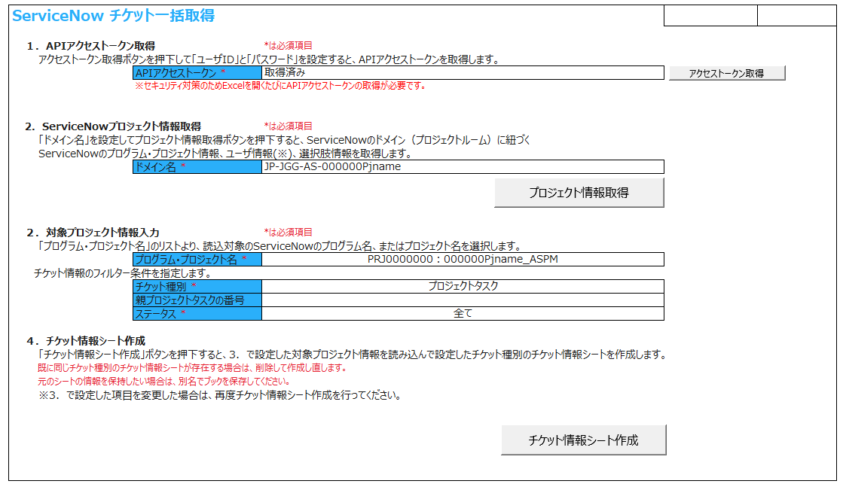
Get access token

Enter the desired domain name (= PJ room name).
The domain name can be obtained by starting ServiceNow
Displayed when you click the earth mark in the upper right.
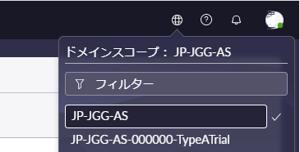

Get project info

Select the "Project" for which you want to register a task.
The project number "PRJ0000000" selected here will be described later in "Project Number" of "Ticket Information (Project Task)" sheet.

Create ticket info sheet
For update Estamate scale, test plan) please change here.

3 | Keep "Bulk Ticket Update Tool" open.

2.Add Project Task: Prepare Source

1 | Open the Task example(Copy from)sheet.
2 | Enter the Project Number selected on the "チケット情報一括取得" sheet.
3 | Enter the date in the Start Date of project.
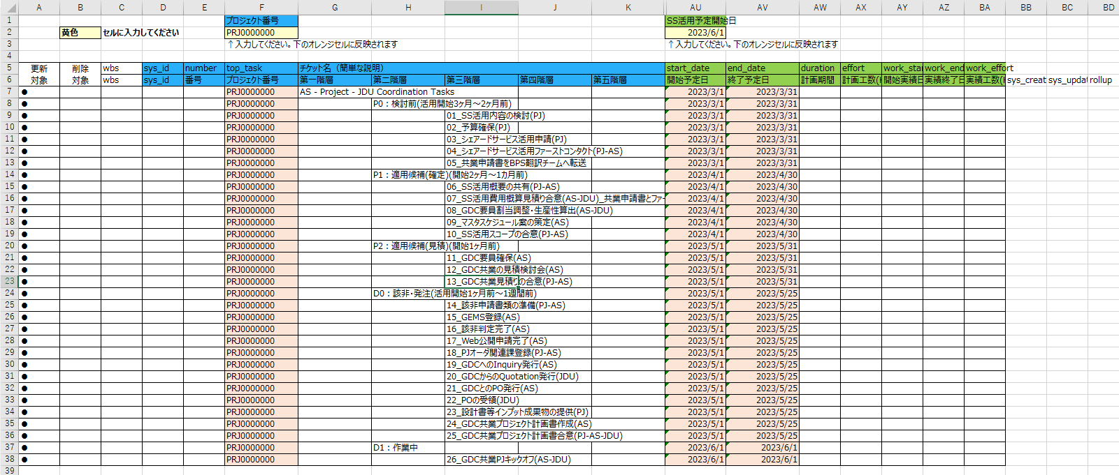
2
3

4 | Continue with this file open.

3.Add Project Task: Prepare Project Task sheet

1 | Open the "チケット一括更新.xlsm" and "チケット情報（プロジェクトタスク）"sheet for the Project Task.
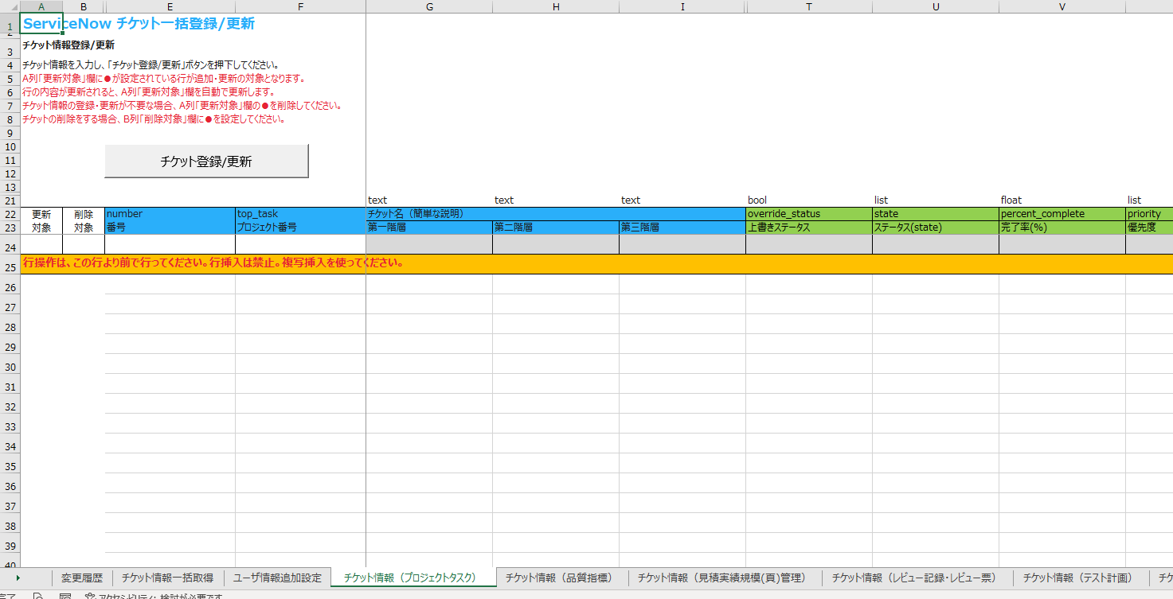

 | Next, add a row for the number of tasks you want
2 | Click the number in line 24 to select the entire line.

3 | With the entire line 24 selected, press Ctrl + C. (Press Ctrl + C at the same time.)
 | Line 24 is entirely dotted.

4 | Right-click the selected row number and select Insert Copied Cells.

5 | The row is added.

6 | Select the entire row by clicking the row number part together with the added row. (Lines 24 and 25 in the example screen)
 | Repeat steps 2 through 5 to add as many rows as you want.

4.adding project tasks: copying from source

1 | Open the ASPM Task (Copy From) sheet for this file.
2 | Select the cells A7 through BA 63.
3 | Press Ctrl + C.

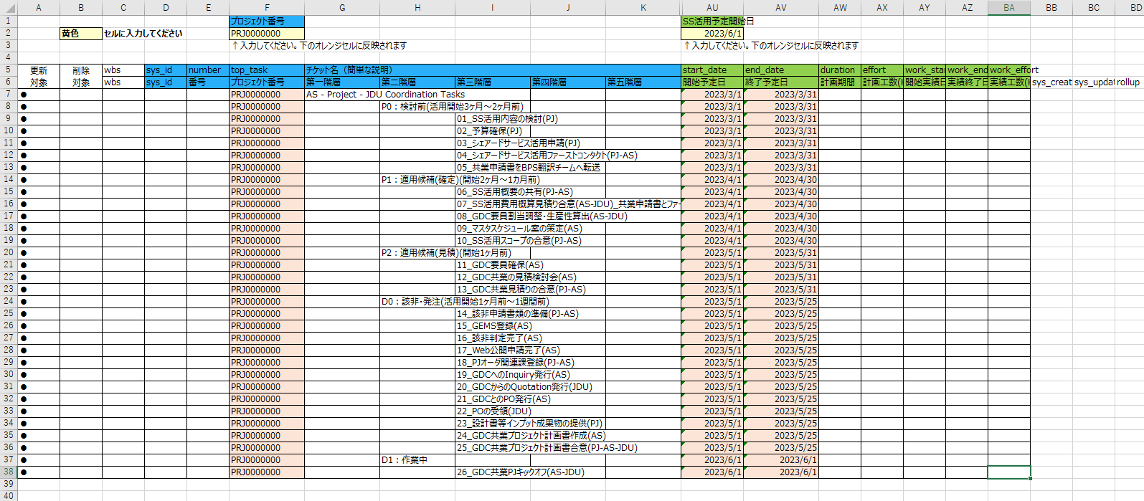

3 | Open the "チケット一括更新.xlsm" and "チケット情報（プロジェクトタスク）"sheet for the Project Task.
4 | Click line 24.
5 | Right-click in the A 24 cell. (Value).
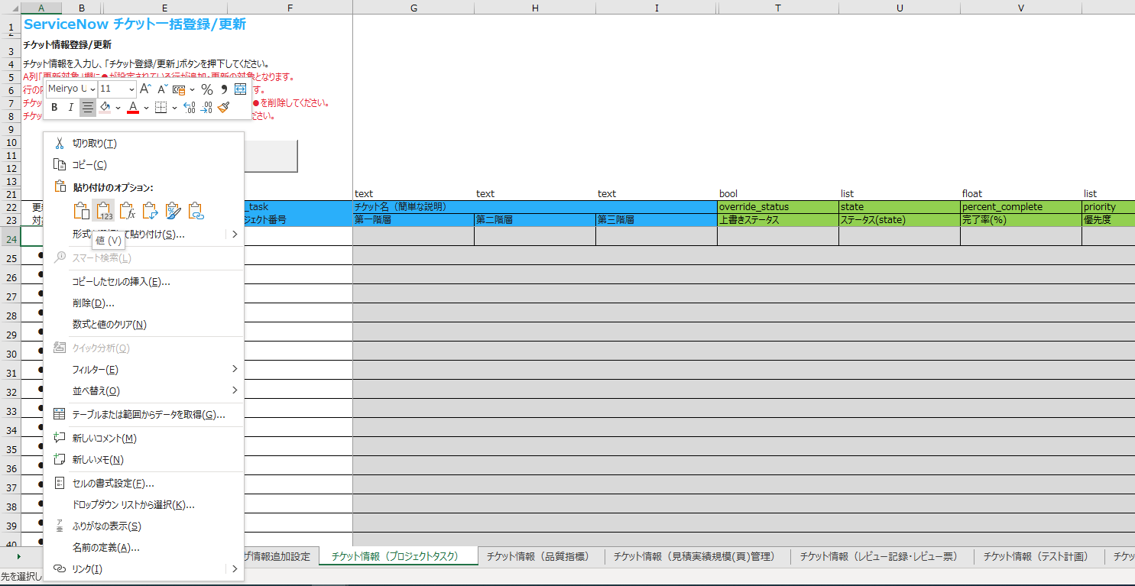

6 | The contents are copied.
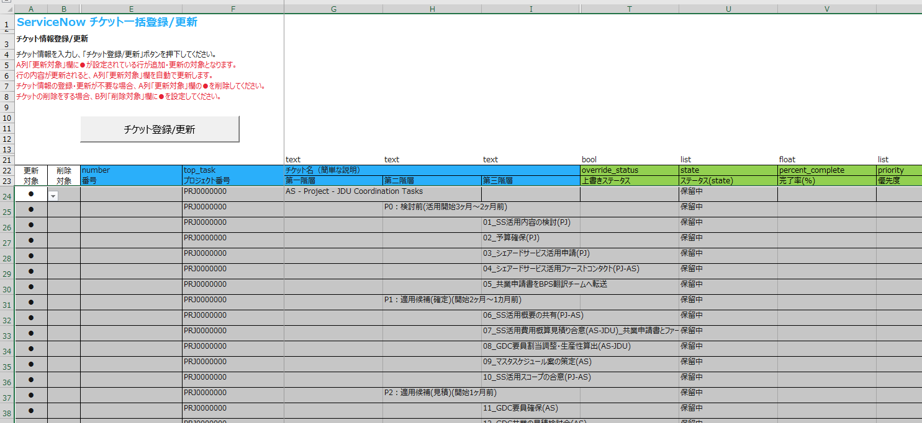

5.adding project tasks: assigning to

1 | Scroll a little to the right and enter the name of the person in the Assign To pull-down. If the corresponding contact name is not displayed, do not enter it here, register in ServiceNow and set the assigned_to
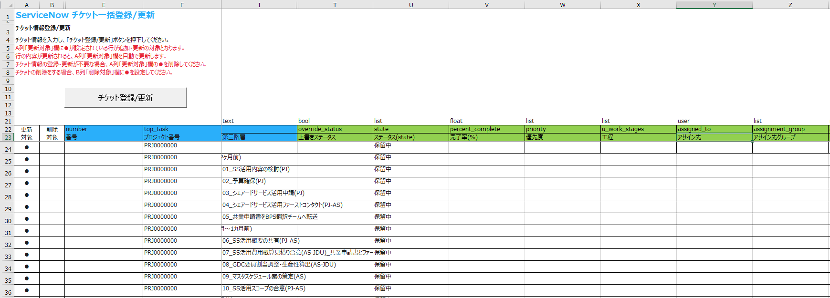

6.Add Project Task: Ticket Registration

1 | Click Register/Update Ticket.
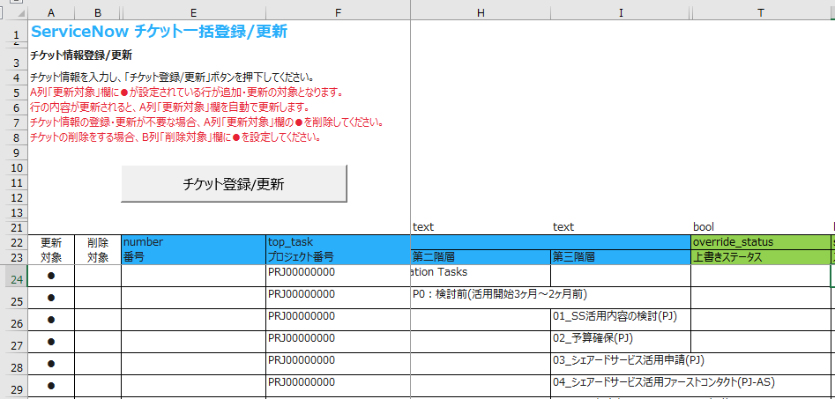

 | The contents are registered in ServiceNow.
 | If there are errors, the cells in the Excel file turn red.
 | Refer to "x.xx版_チケット一括更新ツール利用ガイド.pdf" for the countermeasures.

Task example(Copy From)
 |  |  |  |  | Project Number |  |  |  |  |  | Scheduled start date of project
 | Yellow | Enter in cell |  |  | PRJ0000000 |  |  |  |  |  | 2023-06-01
 |  |  |  |  | Enter ↑. reflected in the orange cell below |  |  |  |  |  | Enter ↑. reflected in the orange cell below

Update Target | Delete Target | wbs | sys _ id | Number | top _ task | Ticket name (brief description) |  |  |  |  | start _ date | end _ date | duration | effort | work _ start | work _ end | work _ effort
 |  | wbs | sys_id | 番号 | プロジェクト番号 | 第一階層 | 第二階層 | 第三階層 | 第四階層 | 第五階層 | 開始予定日 | 終了予定日 | 計画期間 | 計画工数(H) | 開始実績日 | 実績終了日 | 実績工数(H) | sys _ created _ on | sys _ updated _ on | rollup
● |  |  |  |  | PRJ0000000 | DBmaintenanceScreen |  |  |  |  | 2023-06-01 | 2023-06-01
● |  |  |  |  | PRJ0000000 |  | application structure definition |  |  |  | 2023-06-01 | 2023-06-01
● |  |  |  |  | PRJ0000000 |  | screen transition definition |  |  |  | 2023-06-01 | 2023-06-01
● |  |  |  |  | PRJ0000000 |  | controller definition |  |  |  | 2023-06-01 | 2023-06-01
● |  |  |  |  | PRJ0000000 |  | service definition |  |  |  | 2023-06-01 | 2023-06-01
● |  |  |  |  | PRJ0000000 |  | selfRev |  |  |  | 2023-06-01 | 2023-06-01
● |  |  |  |  | PRJ0000000 |  | TeamRev |  |  |  | 2023-06-01 | 2023-06-01
Change start_date and end_date to your project tasks desire date.
● |  |  |  |  | PRJ0000000 | PermissionMaintenanceScreen |  |  |  |  | 2023-06-01 | 2023-06-01
● |  |  |  |  | PRJ0000000 |  | application structure definition |  |  |  | 2023-06-01 | 2023-06-01
● |  |  |  |  | PRJ0000000 |  | screen transition definition |  |  |  | 2023-06-01 | 2023-06-01
● |  |  |  |  | PRJ0000000 |  | controller definition |  |  |  | 2023-06-01 | 2023-06-01
● |  |  |  |  | PRJ0000000 |  | service definition |  |  |  | 2023-06-01 | 2023-06-01
● |  |  |  |  | PRJ0000000 |  | selfRev |  |  |  | 2023-06-01 | 2023-06-01
● |  |  |  |  | PRJ0000000 |  | TeamRev |  |  |  | 2023-06-01 | 2023-06-01
● |  |  |  |  | PRJ0000000 | PasswordManagementScreen |  |  |  |  | 2023-06-01 | 2023-06-01
● |  |  |  |  | PRJ0000000 |  | application structure definition |  |  |  | 2023-06-01 | 2023-06-01
● |  |  |  |  | PRJ0000000 |  | screen transition definition |  |  |  | 2023-06-01 | 2023-06-01
● |  |  |  |  | PRJ0000000 |  | controller definition |  |  |  | 2023-06-01 | 2023-06-01
● |  |  |  |  | PRJ0000000 |  | service definition |  |  |  | 2023-06-01 | 2023-06-01
● |  |  |  |  | PRJ0000000 |  | selfRev |  |  |  | 2023-06-01 | 2023-06-01
● |  |  |  |  | PRJ0000000 |  | TeamRev |  |  |  | 2023-06-01 | 2023-06-01
● |  |  |  |  | PRJ0000000 | DBmaintenanceScreen |  |  |  |  | 2023-06-01 | 2023-06-01
● |  |  |  |  | PRJ0000000 |  | XX999Scr01JSP |  |  |  | 2023-06-01 | 2023-06-01
● |  |  |  |  | PRJ0000000 |  | XX999Scr01foam |  |  |  | 2023-06-01 | 2023-06-01
● |  |  |  |  | PRJ0000000 |  | XX999Scr01controller |  |  |  | 2023-06-01 | 2023-06-01
● |  |  |  |  | PRJ0000000 |  | XX999Scr01service |  |  |  | 2023-06-01 | 2023-06-01
● |  |  |  |  | PRJ0000000 |  | selfRev |  |  |  | 2023-06-01 | 2023-06-01
● |  |  |  |  | PRJ0000000 |  | TeamRev |  |  |  | 2023-06-01 | 2023-06-01
● |  |  |  |  | PRJ0000000 | PermissionMaintenanceScreen |  |  |  |  | 2023-06-01 | 2023-06-01
● |  |  |  |  | PRJ0000000 |  | XX999Scr02JSP |  |  |  | 2023-06-01 | 2023-06-01
● |  |  |  |  | PRJ0000000 |  | XX999Scr02foam |  |  |  | 2023-06-01 | 2023-06-01
● |  |  |  |  | PRJ0000000 |  | XX999Scr02controller |  |  |  | 2023-06-01 | 2023-06-01
● |  |  |  |  | PRJ0000000 |  | XX999Scr02service |  |  |  | 2023-06-01 | 2023-06-01
● |  |  |  |  | PRJ0000000 |  | selfRev |  |  |  | 2023-06-01 | 2023-06-01
● |  |  |  |  | PRJ0000000 |  | TeamRev |  |  |  | 2023-06-01 | 2023-06-01
● |  |  |  |  | PRJ0000000 | PasswordManagementScreen |  |  |  |  | 2023-06-01 | 2023-06-01
● |  |  |  |  | PRJ0000000 |  | XX999Scr03JSP |  |  |  | 2023-06-01 | 2023-06-01
● |  |  |  |  | PRJ0000000 |  | XX999Scr03foam |  |  |  | 2023-06-01 | 2023-06-01
● |  |  |  |  | PRJ0000000 |  | XX999Scr03controller |  |  |  | 2023-06-01 | 2023-06-01
● |  |  |  |  | PRJ0000000 |  | XX999Scr03service |  |  |  | 2023-06-01 | 2023-06-01
● |  |  |  |  | PRJ0000000 |  | selfRev |  |  |  | 2023-06-01 | 2023-06-01
● |  |  |  |  | PRJ0000000 |  | TeamRev |  |  |  | 2023-06-01 | 2023-06-01
● |  |  |  |  | PRJ0000000 | DBmaintenanceScreen |  |  |  |  | 2023-06-01 | 2023-06-01
● |  |  |  |  | PRJ0000000 |  | XX999Scr01PT Specification Creation |  |  |  | 2023-06-01 | 2023-06-01
● |  |  |  |  | PRJ0000000 |  | XXX999Scr01PT Data Creation |  |  |  | 2023-06-01 | 2023-06-01
● |  |  |  |  | PRJ0000000 |  | selfRev |  |  |  | 2023-06-01 | 2023-06-01
● |  |  |  |  | PRJ0000000 |  | TeamRev |  |  |  | 2023-06-01 | 2023-06-01
● |  |  |  |  | PRJ0000000 | PermissionMaintenanceScreen |  |  |  |  | 2023-06-01 | 2023-06-01
● |  |  |  |  | PRJ0000000 |  | XX999Scr02PT Specification Creation |  |  |  | 2023-06-01 | 2023-06-01
● |  |  |  |  | PRJ0000000 |  | XXX999Scr02PT Data Creation |  |  |  | 2023-06-01 | 2023-06-01
● |  |  |  |  | PRJ0000000 |  | selfRev |  |  |  | 2023-06-01 | 2023-06-01
● |  |  |  |  | PRJ0000000 |  | TeamRev |  |  |  | 2023-06-01 | 2023-06-01
● |  |  |  |  | PRJ0000000 | PasswordManagementScreen |  |  |  |  | 2023-06-01 | 2023-06-01
● |  |  |  |  | PRJ0000000 |  | XX999Scr03PT Specification Creation |  |  |  | 2023-06-01 | 2023-06-01
● |  |  |  |  | PRJ0000000 |  | XXX999Scr03PT Data Creation |  |  |  | 2023-06-01 | 2023-06-01
● |  |  |  |  | PRJ0000000 |  | selfRev |  |  |  | 2023-06-01 | 2023-06-01
● |  |  |  |  | PRJ0000000 |  | TeamRev |  |  |  | 2023-06-01 | 2023-06-01

